Sugar
Just 1 Thing™: 21 for 21 Soyanara, Sugar Challenge Tracker
Before you begin, take a moment to fill in the below: 1. What's your relationship with sugar currently and where would you like it to be? 2. Recommended daily added sugar intake based on gender (use chart in Column F):
Date | Natural Sugars Consumed | Added or Processed Sugars Consumed | Approx. Grams of Added or Processed Sugar Consumed | How was your mood today? (Select from dropdown.) | Notes
Date | Did you eat any of these today? List here. Fruits, starchy vegetables, whole grains, plain dairy, beans, legumes; honey and maple syrup. | Did you eat any of these today? List here. Candy, cakes, cookies, pies, pastries; dairy desserts such as ice cream, flavored yogurt and frozen yogurt; sugar sweetened drinks, such as soft drinks, sports drinks, energy drinks and juice; processed grains such as white rice and pasta, granola, cereals and bread; sugar-water syrup blends (think Starbucks Vanilla, etc.), jams and jellies;sugars in your coffee or tea. | Get familiar with labels! Take a quick glance before you consume to loosely keep track in your head. Note: 4 grams = 1 teaspoon. | Begin to pay attention to how you feel about 30 to 90 minutes following meals, especially those that contained sugar, as well as throughout the day. Effects to note include aggression, brain fog, boredom, delerium, energy increase/decrease, fatigue, hyperactivity, lethargy, sweating, among others. Note your mood below by selecting from the dropdown and expanding in the notes section if needed. Note: Keep an eye on your quality of sleep. Sugar can stress the liver, and liver distress is linked to sleep disturbance. Note how you slept last night in relation to your sugar intake. | 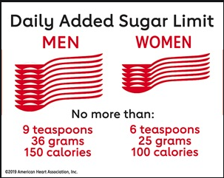 This column is for you! Include notes regarding any other patterns you're noticing.

List 1-3 observations you've noticed about yourself from this challenge (either along the way or upon completion): 1. 2. 3.

